Aula
OBS ¹: Para imprimir só colunas selecionadas, seleciono as coluna, ex: as 3 primeiras > Ctrl + P > configurações
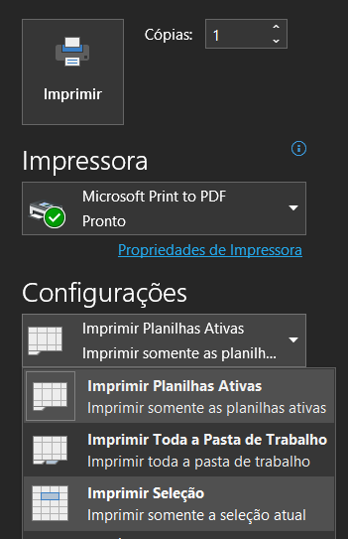

OBS ²: As margens ajudam na definição de largura para obter um melhor resultado na impressão. Em margens personalizadas, pode-se definir também as margens laterias.
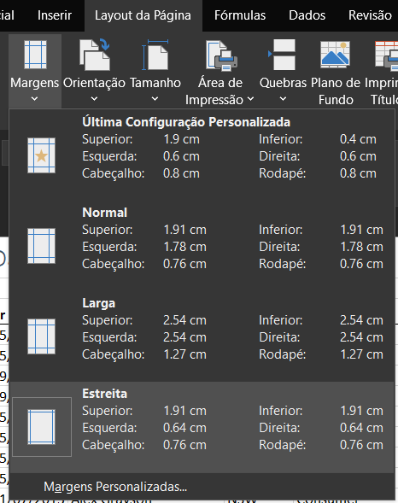

OBS ³: Outra ferramenta importante é dimensionar e ajustar. Para essa ferramenta, se atentar % reduzida para que seja possivel a leitura ao imprimir.
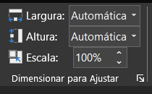

OBS 4: Aqui também definimos a largura e altura (páginas)

